Sheet1
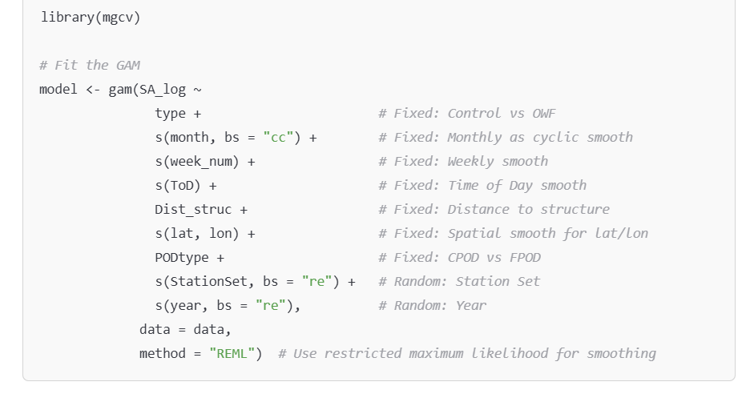
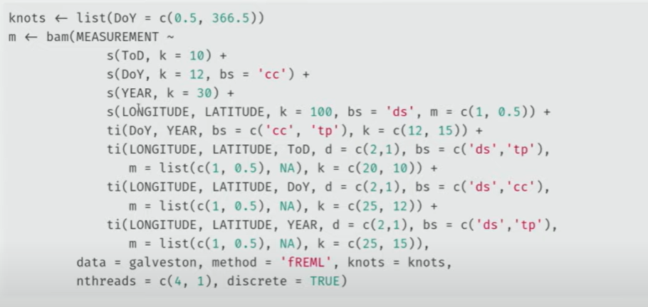
 | Summarizing all the input for the model

 | Factor | Mode | Levels | Description | Code
 | Type | Fixed | Control; OWF | Differences between control areas and OWF areas | f + s(x, by = f)
 | StationSet | Random | 2021-BE_grafton; etc.
 | Year | Random | 2021; 2023
 | Month | Fixed |  | Monthly
 | Week number | Fixed |  | Week number of the year
 | ToD | Fixed |  | Time of Day
 | DoY | Fixed |  | Day of the Year
To do | Dist_struc | Fixed |  | Distance to structure
 | Lat | Fixed |  | Latitude
 | Lon | Fixed |  | Longitude

 | Ideas
 | Podtype | Fixed | CPOD; FPOD | To account for 1 FPOD
 | HP | Fixed | 0 = Absent; 1 = Present | phh
 | SA | Fixed |  | SA value

